Sheet1
 |  | Document No. | Issue No. | Issue Date |  | Review and Replace Date |  | Authorised By
 |  | GFF210MC | 4 | 10.09.2020 |  | 22.12.2021 |  | Magda Shah
 |  | Document Title | CHICKEN CHETTINAD 350g

Document amendments reason for change |  | Film Updated |  | Page 1 of 1 | Previous Issue Date |  | 11.06.2021 | Uncontrolled copy unless signed original

CCCHET1-R4TCC | CHEFS CREATION |  | CHICKEN CHETTINAD 350g | CHILLED
STEP 1 |  |  |  |  | STEP 2
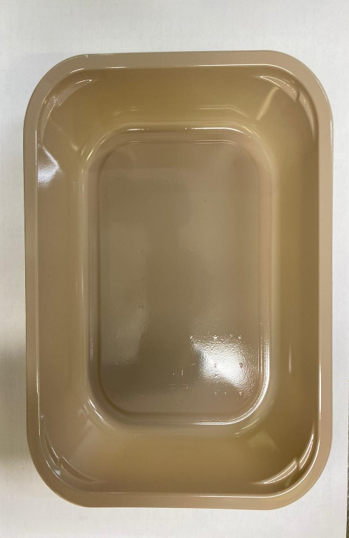 |  |  |  |  | 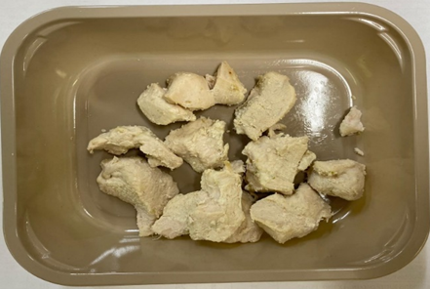

Tray: EVOLVE CPET 2200-1E (PKRHP001-08) |  |  |  |  | British Marinated Chicken (GFF164R): 105g

Film: K peel 7G+25A/f- 275mm (275 mmX1000) (PKKMP001-03)

STEP 3 |  |  |  |  | STEP 4
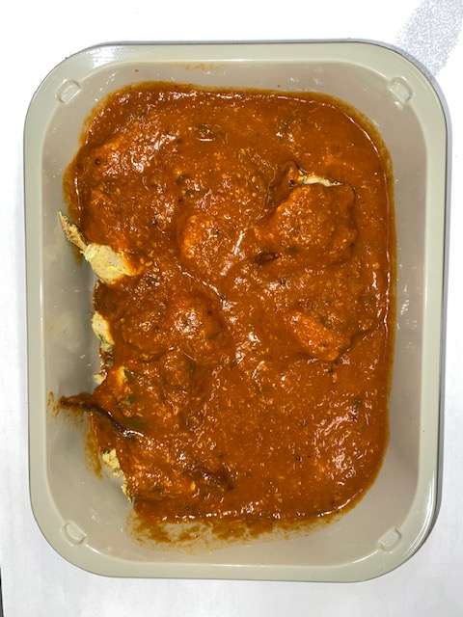 |  |  |  |  | 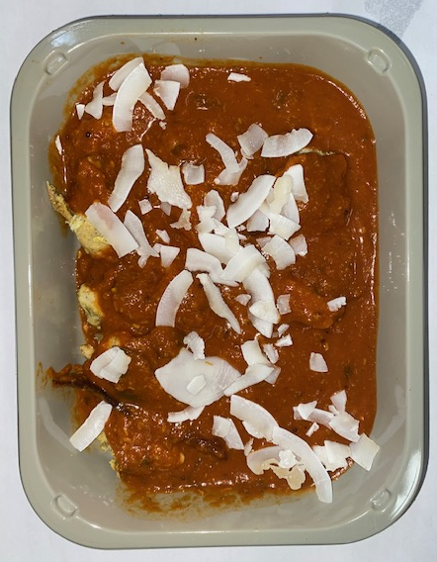

Chettinad Sauce (CC) (GFF320R): 240g |  |  |  |  | Raw Coconut Chips (RMKLU001-05): 5g
105g + 240g = 345g |  |  |  |  | TOTAL WEIGHT: 350g
ALLERGY ALERT: MUSTARD

